Parameter
Referenced from Huang et al., (2017)
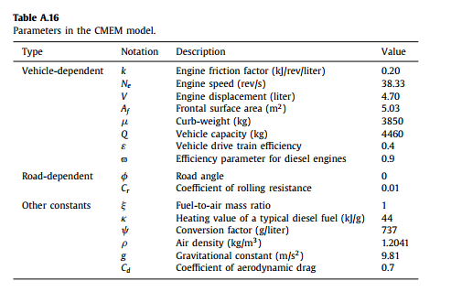

 | 7.77, 0.12, 0.45

